Eng_Info
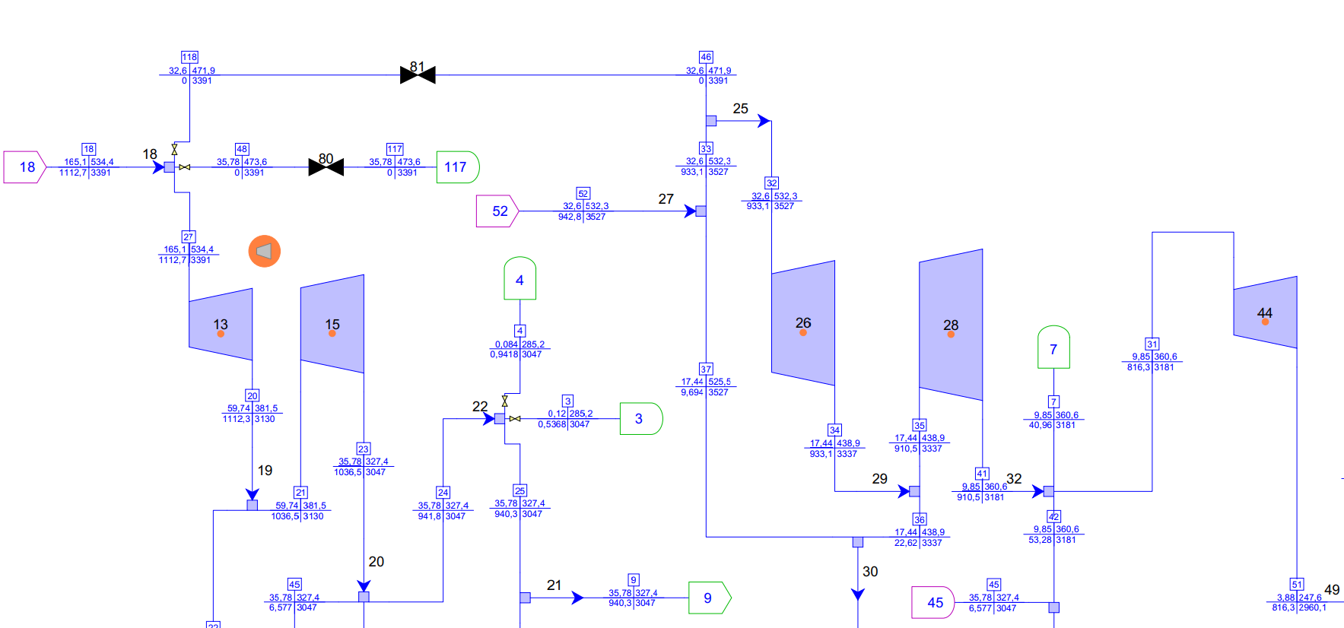
Power Out | 350 | MW
 |  |  |  | Turbine Pressure
Load | Power | Range | Elink | HP - IP | 100% Case (bara) |  |  | 75% Case (bara) |  | 50% Case (bara) |  | % Load | MW | Ps (bara) | HP Temp
50% | 175.0 | 175 - <230 | ELINK (3) | Main steam (1st stage) | 165.1 |  |  | 165.4 |  | 99.75 |  | 100% | 350.11 | 165.1 | 534.4
75% | 230.0 | 230 - 295 | ELINK (2) | 2nd Stage (inlet) | 59.74 | 0.3618413083 |  | 45.95 | 0.27781136638 | 31.96 | 0.32040100251 | 75% | 264.77 | 165.4 | 538.0
100% | 295.0 | >295 - 350 | ELINK | 2nd Stage Out (CRH) | 35.78 | 0.21671714113 |  | 27.27 | 0.16487303507 | 18.79 | 0.18837092732 | 50% | 179.11 | 99.75 | 539.2
Full Load | 350 | MW |  | 3rd Stage (HRH) | 32.6 | 0.19745608722 |  | 24.83 | 0.15012091898 | 17.03 | 0.17072681704
 |  |  |  | 4th Stage | 17.44 | 0.10563294973 |  | 13.29 | 0.080350665054 | 9.15 | 0.091729323308
 |  |  |  | LP
Power Out (kW) | Ms (tph) | Temp | Coal (tph) | 5th Stage | 9.85 | 0.059660811629 |  | 7.52 | 0.045465538089 | 5.28 | 0.052932330827
350,111 | 1106.0 | 534.40 | 177.5 | 6th Stage | 3.88 | 0.02350090854 |  | 2.97 | 0.017956469166 | 2.37 | 0.023759398496
340,085 | 1073.0 | 534.82 | 172.2 | 7th Stage | 1.47 | 0.0089036947305 |  | 1.11 | 0.0067110036276 | 0.95 | 0.0095238095238
Main Steam Properties
330,032 | 1040.0 | 535.24 | 166.9
320,031 | 1007.0 | 535.67 | 161.6
309,925 | 974.0 | 536.09 | 156.3
300,015 | 941.7 | 536.51 | 151.1
290,018 | 908.7 | 536.93 | 145.9

 |  |  |  |  |  |  |  |  |  |  |  | Orde-2 |  |  | Linier
 |  |  |  |  |  |  |  |  |  |  |  | Load (MW) | Temp |  | Load (MW) | Temp
 |  |  |  |  |  |  |  |  |  |  |  | 350 | 530.08 |  | 350 | 534.40
 |  |  |  |  |  |  |  |  |  |  |  | 340 | 530.87 |  | 340 | 534.82
 |  |  |  |  |  |  |  |  |  |  |  | 330 | 531.62 |  | 330 | 535.24
 |  |  |  |  |  |  |  |  |  |  |  | 320 | 532.33 |  | 320 | 535.67
 |  |  |  |  |  |  |  |  |  | Seek | Trial | 310 | 533.00 |  | 310 | 536.09
 |  |  |  |  |  | 535.15 |  | 265 | 165.58 | 264.24843424 | 165.00 | 300 | 533.63 |  | 300 | 536.51
 |  |  |  |  |  | 535.55 |  | 250 | 154.08 |  |  | 290 | 534.22 |  | 290 | 536.93
 |  |  |  |  |  | 535.95 |  | 235 | 142.58 | 264.3 | 165.04 |  |  |  |  |  | Trial
 |  |  |  |  |  | 536.35 |  | 220 | 131.09 |  |  |  |  |  | 290 | 537.65 | 175 | 539.26
 |  |  |  |  |  | 536.75 |  | 205 | 119.59 | 325 | 165.10 |  |  |  | 275 | 537.86
 |  |  |  |  |  | 537.15 |  | 190 | 108.10 |  |  |  |  |  | 260 | 538.07
 |  |  |  |  |  | 537.55 |  | 175 | 96.60 |  |  |  |  |  | 245 | 538.28
 |  |  |  |  |  |  | 1 |  |  |  |  |  |  |  | 230 | 538.49
 |  |  |  |  |  |  |  |  |  |  |  |  |  |  | 215 | 538.70
 |  |  |  |  |  |  |  |  |  |  |  |  |  |  | 200 | 538.91
 |  |  |  |  |  |  |  |  |  |  |  |  |  |  | 185 | 539.12

